work
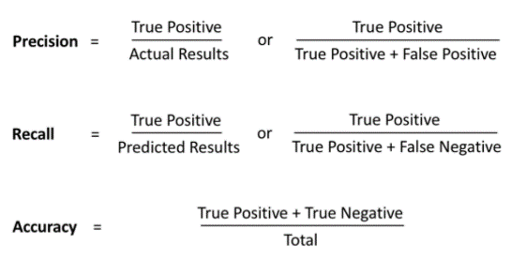
n = 10,000 | Predicted Not Noval |  | Predicted Noval(yes)
Actual Not Noval | TN = | 9,405 | FP = | 95 | 9,500
Actual Noval(yes) | FN = | 50 | TP = | 450 | 500
 | 9455 |  | 545 |  | 10,000

n | 10,000

TPR | 18.81
Precision | 0.82568807339
Recall | 0.9
Accurecy | 0.9855

Decision Tree Classification
K-Nearest Neighbors
Logistic Regression
Naive Bayes
Random Forest
Support Vector Machine (SVM) - Kernal
Support Vector Machine (SVM)
XGBoost

ans
A) Answer:

Formulas for it:

As per question:
statement 1 = "The probability I mistakenly label a truly non-novel cancer cell novel is about 1%"

Statement 2 = "while the probability I label a truly novel cancer cell novel is 90%."

Statement 3 = I also know that, in my samples, 95% of the cells are not novel cancer cells.

Explanation:

Statement 3 says 95 % of the total are Actual Not Noval so value set at F2(refer excel image)

Statement 2 says predicted novel cancer cell novel are 90% so 90% of actual novel are predicted as novel, it is True Posetive so value set at E3(refer image) as 450

Statement 1 says predicted novel but actually non-novel cell so it is False Positive 1 & of total Actual Not Noval, so value set at E2(refer excel) 95

-------------------------------------------------------------------

B) Answer:

TPR Formula:

TPR = 9405/ (450+50)

TPR = 18.81

-------------------------------------------------------------------

C) Answer:


Precision = 450/545 = 0.8256

Recall = 450/(450+50) = 0.90

Accurecy = (450+9405)/10000 = 0.9855

-------------------------------------------------------------------

D) Answer:

The cell is a novel cell or non-novel cell is the problem of classification, So we need to use the algorithm of Classification:

Here is the list of Classification Algorithm:

Decision Tree Classification

K-Nearest Neighbors

Logistic Regression

Naive Bayes

Random Forest

Support Vector Machine (SVM) - Kernal

Support Vector Machine (SVM)

XGBoost

Among the above, my preference would be Support Vector Machine (SVM), then Random Forest.

-------------------------------------------------------------------

problem
